Foglio1
Product | Quantity | Illustration | Price Range | Link
Arduino Uno / Elegoo Uno | 1 | 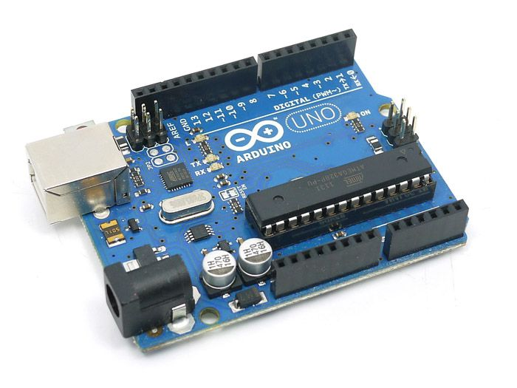 | 10€ - 20€ | Amazon Aliexpress
SG90 Servo Motor | 4 | 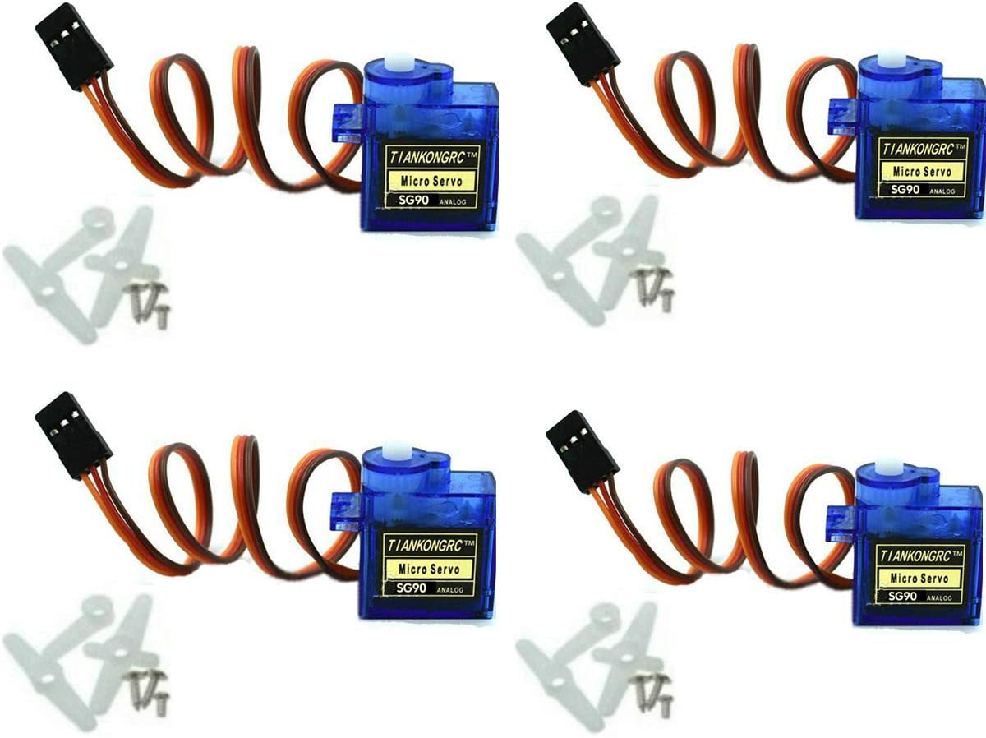 | 10€ - 15€ | Amazon Aliexpress
Basement | 1 | 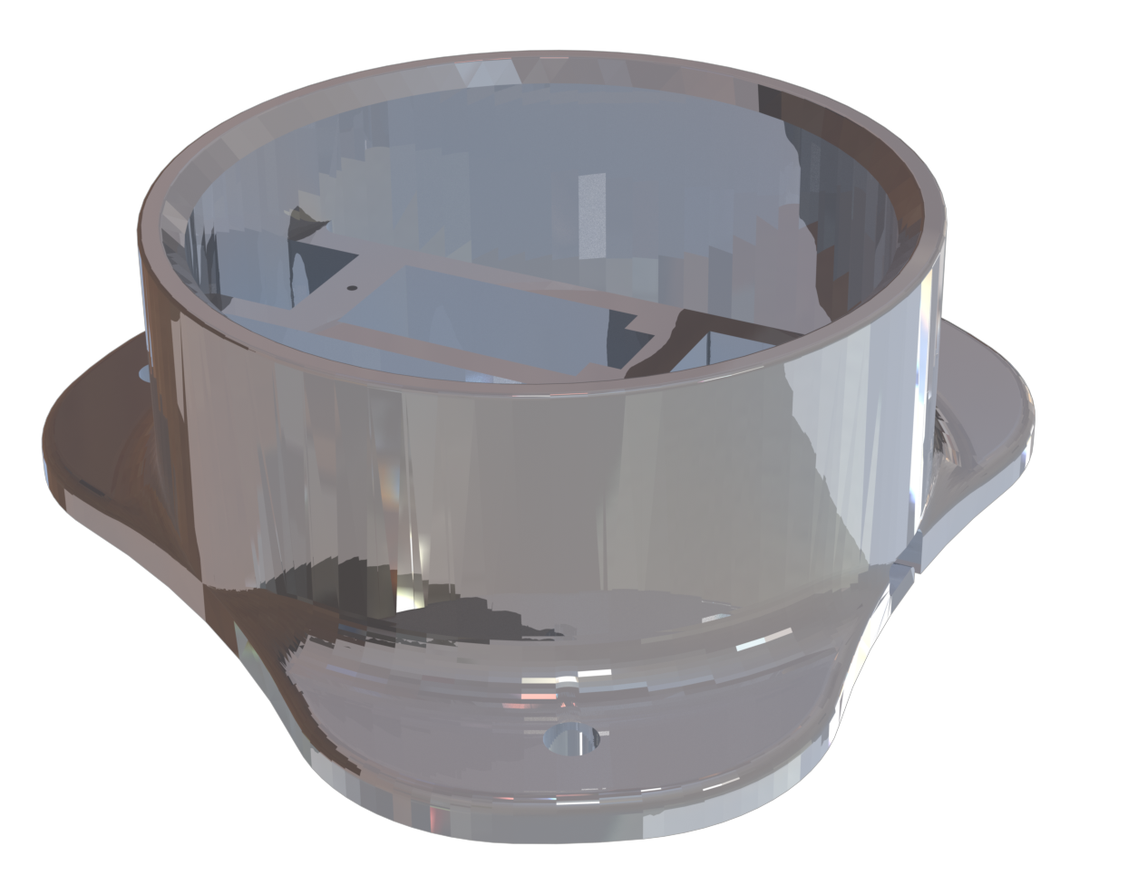 | N/A | STL Part
Round Plate | 1 |  | N/A | STL Part
Plate | 1 | 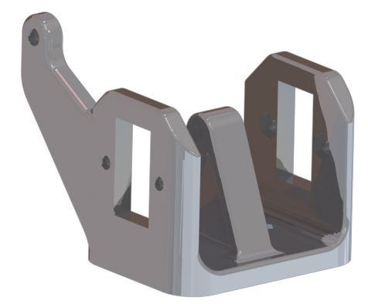 | N/A | STL Part
Vertical Drive Arm | 1 |  | N/A | STL Part
Forward Drive Arm | 1 | 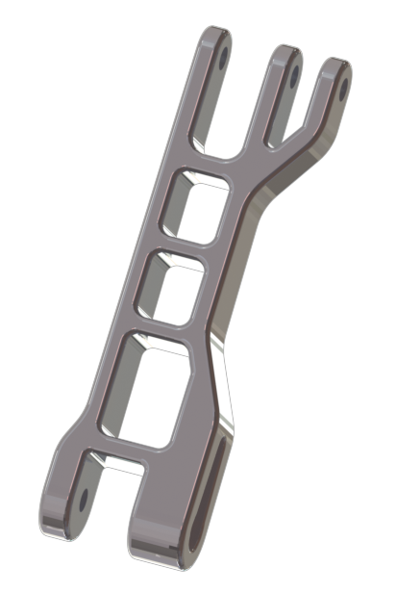 | N/A | STL Part
Link | 3 |  | N/A | STL Part
Servo Plate | 2 | 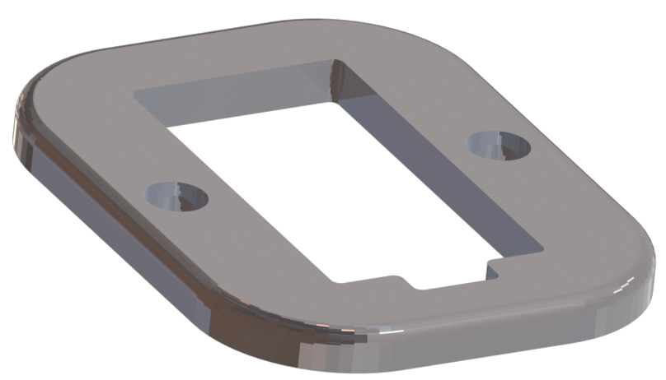 | N/A | STL Part
Triangular Link | 1 | 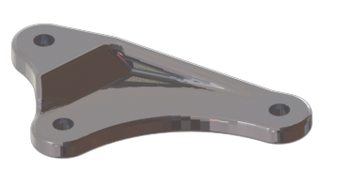 | N/A | STL Part
Horizontal Arm | 1 |  | N/A | STL Part
Claw Support | 1 | 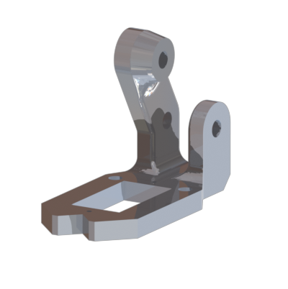 | N/A | STL Part
Drive Gear | 1 |  | N/A | STL Part
Driven Gear | 1 | 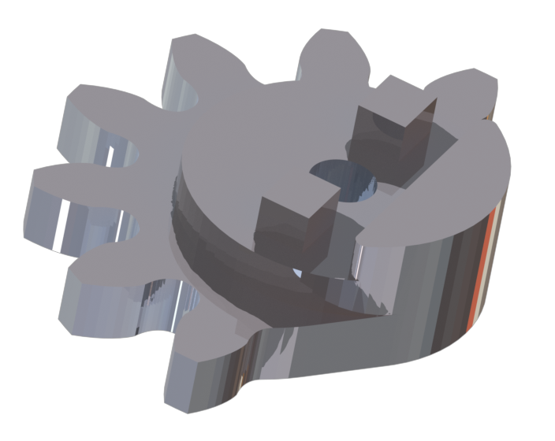 | N/A | STL Part
Right Finger | 1 | 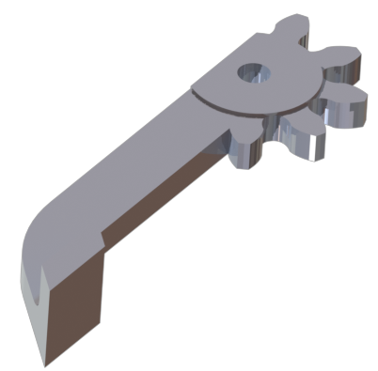 | N/A | STL Part
Left Finger | 1 | 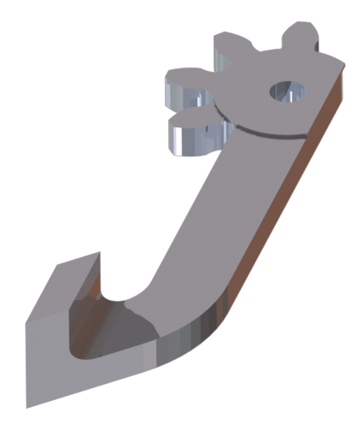 | N/A | STL Part
M3 screws and Nuts | 20 | 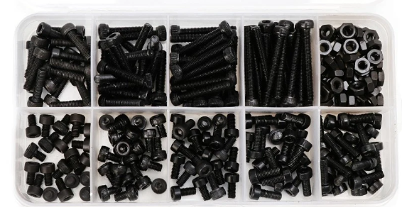 | 10€ - 15€ | Amazon Aliexpress

